Start refresh here
Detect changes
 |  | GBS Control Sheet
 |  |  | Skip how many weeks since last refresh (due to Christmas, Easter holiday etc)
Current environment: | DEV |  | 0
Last operation done in this file: | Finished setting up objects

Extract last week's exceptions
and remove invalid entries

 |  | Step completed |  | Expected file for last week's exceptions: | 20240108_exceptions_GBS.xlsx
 |  |  |  | Exceptions file already exists. and was last modified on: | 15:20

Flag valid exceptions
in ControlSheet DB

 |  | Step completed |  | 1 validated exceptions in 20240108_exceptions_GBS.xlsx are | FLAGGED in ControlSheet DB

Refresh tables
with BI data
 |  |  |  | Step completed
 |  |  |  | Latest refresh started at: | 2024-01-19 | Previous refresh started at: | 2024-01-19
 |  | Step completed |  | Latest refresh finished at: | 2024-01-19 | Previous refresh finished at: | 2024-01-19
 |  |  |  | Latest refresh took (hh:mm:ss): | 0:00:46 | Previous refresh took (hh:mm:ss): | 0:00:56

Upload breaks
to ControlSheet DB

 |  |  |  | Breaks match between this file and uploaded breaks in ControlSheet DB
 |  | Step completed

Save files and prepare email:
1. backup copy of this file
2. output file for the email
 |  |  |  | This week's backup copy of the Control Sheet: | 20240119_GBS ControlSheet.xlsm
 |  | Step completed |  | Backup file is missing | -
 |  |  |  | This week's output file for the email attachment: | 20240119_GBS_CSOutput.xlsm
 |  |  |  | Output file is missing | -

Email To: |  | USClaimsAssistants@beazley.com; UCOSupportLondonCA@beazley.com
Email CC: |  | CSMT@beazley.com; Glenn.Scheideler@beazley.com; Samantha.Molodetz@beazley.com; DataQuality@beazley.com;Zoey.Lyn@beazley.com

Data Entry Verified Procs
Procedures for verifying data entry

If you see the below just above the formula bar, please hit “Enable Content”.

We will work through the below example, where we have verified that the Date of Loss is actually missing or it's missing for a good reason.

Happy path fix: Users can apply the fix directly to ClaimCenter initially and no further action is required on below mentioned steps.

In order to remove this check from next week's Control Sheet:
1) Select an option from the Dropdown in column “Non-CCV9 Action”, as below

If you selected 'Valid exception', select a reason from the dropdown in column "Exception Reason". As per current procedures, I will be reviewing these and will reach out with any extra questions.
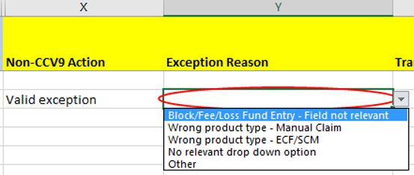

If you selected 'Transfer', provide a reason in column "Exception Reason". As per current procedures, I will be reviewing these and will reach out with any extra questions.

If you selected 'Suppression', select the number of weeks you want to suppress that record from showing up in the report, in column "Suppress (no. of weeks)".

2) Please repeat this for all rows where the Data has been entered correctly. Once you are finished filling in the appropriate rows, go to sheet 'Exception Submission' and hit “Upload Data Entry Verifications”.

 | If any of the rows are missing information, you'll be prompted with the below message. After hitting OK, you'll be taken back to "Report" sheet and the missing-information cells will be circled in red.
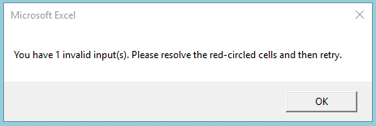

 | After filling them in, try re-submitting in sheet 'Exception Submission'. On successful submission, you'll see a yellow pop-up window similar to the below:
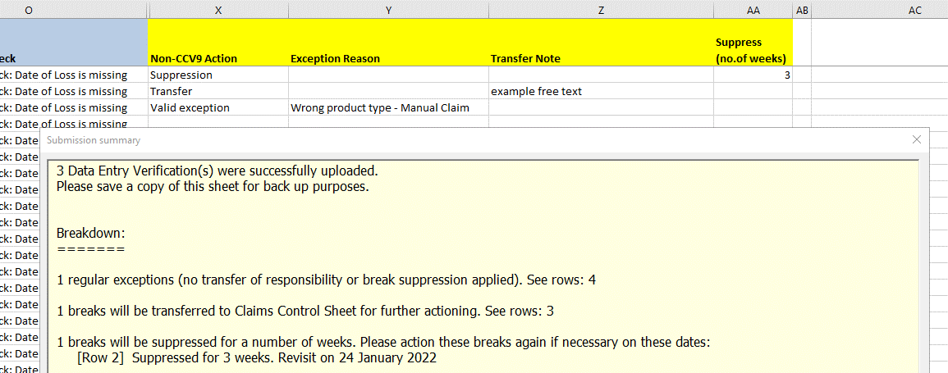

 | As per the above, for now, please save a copy of the Control Sheet and the comments somewhere for backup purposes.

